Schedule
New Coptic Year - School Year 2019-2020
 | Date | Servant | Lesson | Objective
 | 2019-09-15 | Feast of Nayrouz & 2019 Mahragan Celebration |  |  | Index | <- Click here
Nativity Fast | 2019-09-22 |  |  |  | Schedule | <- Click here
 | 2019-09-29 |  |  |  | Demographics | <- Click here
 | 2019-10-06 |  |  |  | Attendance | <- Click here
 | 2019-10-13 |  |  |  | Calendar | <- Click here
 | 2019-10-20 |  |  |  | Meetings | <- Click here
 | 2019-10-27
 | 2019-11-03
 | 2019-11-10
 | 2019-11-17
 | 2019-11-24
Nativity Fast | 2019-12-01
 | 2019-12-08
 | 2019-12-15
 | 2019-12-22
 | 2019-12-29
 | 2020-01-05
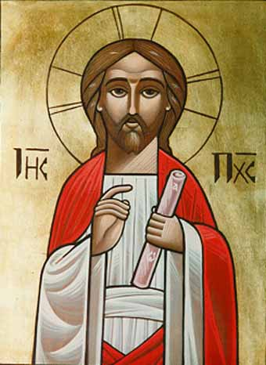
 | 2020-01-12 | Feast of Nativity + Feast of Nativity + Feast of Nativity + Feast of Nativity
 | 2020-01-19
 | 2020-01-26
 | 2020-02-02
 | 2020-02-09 | Jonah's (Nineveh) Fast 2/10 - 2/12
 | 2020-02-16
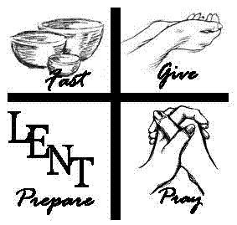
Great Lent | 2020-02-23
 | 2020-03-01
 | 2020-03-08
 | 2020-03-15
 | 2020-03-22
 | 2020-03-29
 | 2020-04-05
 | 2020-04-12 | Palm Sunday + Palm Sunday + Palm Sunday + Palm Sunda + Palm Sunday + Palm Sunday
 | 2020-04-19 | Feast of Resurrection + Feast of Resurrection + Feast of Resurrection + Feast of Resurrection
Holy 50 Days | 2020-04-26
 | 2020-05-03
 | 2020-05-10
 | 2020-05-17
 | 2020-05-24
 | 2020-05-31
 | 2020-06-07
Fast of the Apostoles | 2020-06-14
 | 2020-06-21
 | 2020-06-28
 | 2020-07-05
 | 2020-07-12
 | 2020-07-19
 | 2020-07-26
 | 2020-08-02
St. Mary's Fast | 2020-08-09
 | 2020-08-16
 | 2020-08-23
 | 2020-08-30
 | 2020-09-06
 | 2020-09-13 | Feast of Nayrouz & 2020 Mahragan Celebration

